1. Title Page
[Project Name]

Project Name: Basket Analysis
Date: May 2022
Analyst Name: Christoph Schöneseiffen

Contents:
Population Flow
Consistency checks
Wrangling steps
Column derivations
Visualizations
Recommendations

2. Population Flow
Title page

Population flow

Exclusion flag
Condition: max_order < 5
Obervations to be removed: 1.440.295
Final total count of order_products_all: 30.964.564

Orders_products_combined
Orders_products_merged
Orders_products_all

Total: 32.404.859
Total:32.404.859
Total: 32.404.859

1.) The grey boxes in the first row of the population flow represent the original data sets as they were when you downloaded them. In the Total fields you need to add the count of the rows when you imported the data set into Jupyter.
2.) The second row of boxes (coloured) represents the data sets after you manipulated them, e.g., removed missing values and duplicates. In the Total fields you need to add the count of the rows after conducting these operations. This offers a visual oveview of how the data flows throughout the data consistency checks.
3.) The third row, where also the arrows are coloured, represents the merges you performed between the datasets. In the Total fields you need to add the count of the rows in the merged datasets, so that you end up with the final dataset (in the red box). Keep in mind the final dataset should be without exclusions (based on the exclusion flag).

3. Consistency checks
 |  |  |  | Title page
Consistency checks

Dataset | Missing values | Missing values treatment | Duplicates
orders | 0 | na | 0
products | 16 | removed from dataframe | 5
orders_products_prior | 0 | na | 0
customers | 0 | na | 0

4. Wrangling steps
 |  |  |  | Title page
Wrangling steps

Columns dropped | Columns renamed | Columns' type changed | Comment/Reason
eval_set |  |  | Column does not have relevant information
 | order_dow -> orders_day_of_week |  | adjusted to match consistent column naming
 |  | order_id | changed to string, because order id is not used for calculations but a vixed value assigned per order
 | order_number ->order_count_per_customer |  | column presents the count of orders a customer has made, but could otherwise be confused with the order_id
Unnamed: 0.1 |  |  | Column was added as index but is not needed
Unnamed: 0 |  |  | Column was added as index but is not needed
_merge |  |  | column was only used to check on merging, but is not needed after that and hence deleted to save memory
 | days_since_prior_order_y -> median_days_since_prior_order |  | The column shows the median value, but wasn't acurately named
 |  | first_name | column had mixed-datatype and was changed to string
date_joined |  |  | The date joined was not used to evaluate the customers hence dropped
first_name |  |  | PII, therefore dropped because user_id is already a unique identifier
last_name |  |  | PII, therefore dropped because user_id is already a unique identifier

5. Column derivations
 |  |  |  | Title page

Column derivations and aggregations

In this tab you should add tables below that the frequences of flags/label variables that you produced after deriving them. NB: don't do this for continuous variables, only for flags.
Dataset | New column | Column/s it was derived from | Conditions
ords_prods_merged_new | price_range_loc | prices | price >15 = high-range product; price <= 15 & > 5 = mid-range product; price <=5 low-range product
ords_prods_merged_new | busiest_day | orders_day_of_week | Value count of orders, busiest day = 0; "least busy = 4", all other days "regularly busy"
ords_prods_merged_new | busiest_days | orders_day_of_week | Value count of orders, busiest days = 0 & 1; "slowest days = 3 &4 ", all other days(2,5,6) = "regular days"
ords_prods_merged_new | busiest_period_of_day | order_hour_of_day | value count of orders per hour, Top 8 hours = "most orders, middle 8 = "average orders" , bottom 8 hours = "fewest orders"
ords_prods_merge | loyalty_flag | max_order | max order > 40 = "loyal customer", max order <= 40 & > 10 = "regular customer, max order <= 10 = "New customer"
ords_prods_merge | spending_flag | average_price | average price >= 10 = "High spender", average price <10 = "low spender"
ords_prods_merge | frequency_flag | median_days_since_prior_order | Non-frequent customer > 20, "regular customer" <= 20 & >10, "frequent customer" <= 10
instacart | Region | State | States were assigned to the regions Northeast, Midwest, South and West according to Census Bureau-designated areas
instacart | exclusion flag | max_order | max order < 5 = True

6. Visualizations
 |  |  |  |  |  |  |  |  |  |  |  |  |  |  | Title page

Visualisations

In this tab you should include all the visualtions from Exercises 4.9 and 4.10, alongside the questions from the project brief that they answer. Include any commentary on the relationship between different variables.


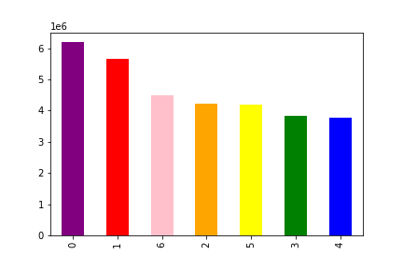
1. The sales team needs to know what the busiest days of the week and hours of the day are (i.e. the days and times with the most orders) in order to schedule ads at times when there are fewer orders.
Answer: The busiest days are Saturday and Sunday (days 0 & 1), the busiest time of the day is between 9am and 5pm.


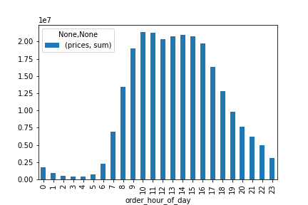
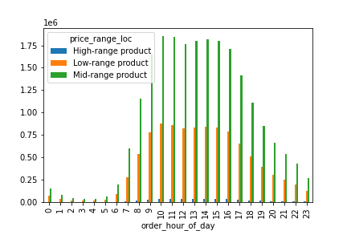
2. They also want to know whether there are particular times of the day when people spend the most money, as this might inform the type of products they advertise at these times.
Answer: The spending per hour equals the chart for number of orders placed. When looking at the product orders per price range they also show a similar distribution.

3. Instacart has a lot of products with different price tags. Marketing and sales want to use simpler price range groupings to help direct their efforts.
Answer: The products habe been divided into three price groups

4. Are there certain types of products that are more popular than others? The marketing and sales teams want to know which departments have the highest frequency of product orders.
Answer: The top 3 departments per order count as well as total sales are department 4 followed by 16 and 7
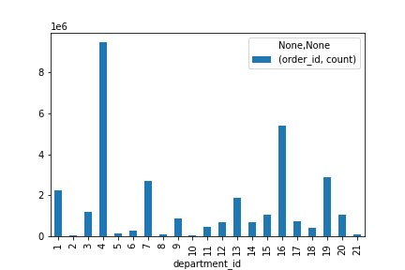
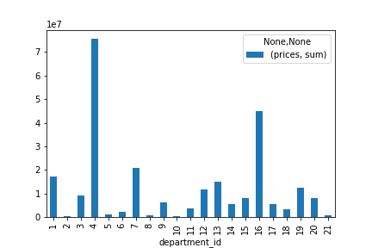

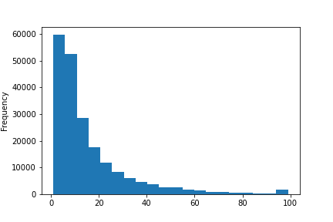
5. The marketing and sales teams are particulaly interested in the different types of customers in their system and how their ordering behaviors differ. For example:
 | a) Whats the distribution among the users in regards to their brand loyalty (i.e. how often do they return to instacart)?
 | Answer: Of instacarts 206.209 customers, more than 110.000 only return between 1-10 times. This corresponds with the segmentation by the loyalty flag, where it can be seen that more than 50% are new customers.
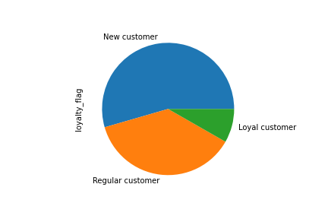

orders per day by loyalty group
 | b) Are there differences in ordering habits based on a customer's loyalty status?
 | Answer: | The loyal and new customers show a relatively steady curve, however, the regular customers order count drops on day 6 (= Friday). With regard to the hour of day ordered, there is no obvious difference between the loyalty status groups
day |  | 0 | 1 | 2 | 3 | 4 | 5 | 6

orders per hour of day by loyalty group
 | Loyal customer | 1,754,731 | 1,843,401 | 1,352,343 | 1,266,495 | 1,292,042 | 1,456,715 | 1,318,366
 | New customer | 1,280,451 | 1,067,446 | 814,412 | 731,417 | 694,739 | 759,780 | 895,745
 | Regular customer | 3,169,000 | 2,749,383 | 2,047,075 | 1,842,622 | 1,797,021 | 1,989,296 | 228,237

order hour |  | 0 | 1 | 2 | 3 | 4 | 5 | 6 | 7 | 8 | 9 | 10 | 11 | 12 | 13 | 14 | 15 | 16 | 17 | 18 | 19 | 20 | 21 | 22 | 23

 | Loyal customer | 61748 | 30179 | 17788 | 13374 | 16882 | 29350 | 112865 | 346694 | 643895 | 882740 | 937669 | 873024 | 807001 | 824465 | 835162 | 809777 | 743761 | 584602 | 449336 | 360292 | 309270 | 264537 | 206150 | 123532
 | New customer | 46038 | 26753 | 15925 | 11995 | 10921 | 16018 | 43381 | 130011 | 267132 | 403735 | 494425 | 523944 | 517347 | 531525 | 531180 | 540461 | 525256 | 448828 | 355925 | 269199 | 192584 | 145114 | 118649 | 77644
 | Regular customer | 110983 | 58768 | 35662 | 25912 | 25439 | 42593 | 134247 | 414349 | 807091 | 1167728 | 1329666 | 1339172 | 1294184 | 1304964 | 1322794 | 1311906 | 1266185 | 1054224 | 831241 | 628814 | 474302 | 385986 | 309426 | 201140

orders per day by region

 | c) Are there differenes in ordering habits based on a customer's region?
 | Answer: | There are no differnt ordering habits in the customer's region with regards to order hour, order day and departments
 |  | 0 | 1 | 2 | 3 | 4 | 5 | 6

 | Midwest | 1460186 | 1320759 | 991770 | 895093 | 888131 | 983262 | 1058124
 | Northeast | 1097258 | 999953 | 746153 | 679308 | 666326 | 746455 | 787283
 | South | 2052776 | 1892057 | 1404662 | 1287335 | 1258537 | 1399737 | 1496781
 | West | 1593962 | 1447461 | 1071245 | 978798 | 970808 | 1076337 | 1154302

orders per hour of day by region
 |  | 0 | 1 | 2 | 3 | 4 | 5 | 6 | 7 | 8 | 9 | 10 | 11 | 12 | 13 | 14 | 15 | 16 | 17 | 18 | 19 | 20 | 21 | 22 | 23

 | Midwest | 50748 | 27360 | 16987 | 11909 | 12690 | 19858 | 67296 | 208272 | 398142 | 572839 | 646591 | 641858 | 612342 | 618737 | 625122 | 628164 | 597360 | 491290 | 388755 | 296696 | 231243 | 189302 | 151260 | 92504
 | Northeast | 38557 | 21543 | 12436 | 9218 | 9507 | 15395 | 50545 | 158950 | 305344 | 430111 | 484872 | 482845 | 465634 | 472706 | 475355 | 470195 | 446411 | 366163 | 287375 | 219259 | 170719 | 140342 | 114499 | 74755
 | South | 73297 | 37906 | 21980 | 17437 | 17966 | 30838 | 98696 | 297744 | 579045 | 822853 | 923301 | 909371 | 868596 | 879532 | 893190 | 882322 | 841034 | 694879 | 543568 | 423557 | 324171 | 266730 | 208898 | 134974
 | West | 56167 | 28891 | 17972 | 12717 | 13079 | 21870 | 73956 | 226088 | 435587 | 628400 | 706996 | 702066 | 671960 | 689979 | 695469 | 681463 | 650397 | 535322 | 416804 | 318793 | 250023 | 199263 | 159568 | 100083

orders per department by region

 |  | 1 | 2 | 3 | 4 | 5 | 6 | 7 | 8 | 9 | 10 | 11 | 12 | 13 | 14 | 15 | 16 | 17 | 18 | 19 | 20 | 21

 | Midwest | 524096 | 8420 | 273869 | 2227937 | 36186 | 63736 | 625574 | 22355 | 203769 | 8193 | 105749 | 166129 | 442101 | 163551 | 250702 | 1264223 | 175824 | 98983 | 673715 | 245678 | 16535
 | Northeast | 390918 | 6585 | 208599 | 1665839 | 26542 | 46891 | 483418 | 18601 | 151816 | 5802 | 78815 | 124620 | 329445 | 123574 | 186755 | 954026 | 131485 | 75139 | 514675 | 186817 | 12374
 | South | 747900 | 12212 | 388815 | 3160551 | 51624 | 89142 | 898940 | 31269 | 287444 | 11533 | 150350 | 235752 | 622436 | 234251 | 356015 | 1796969 | 243070 | 143654 | 957346 | 349419 | 23193
 | West | 571829 | 9074 | 301145 | 2424964 | 39344 | 69484 | 680191 | 25491 | 223598 | 9045 | 112658 | 182426 | 481387 | 181657 | 274586 | 1383529 | 188287 | 106026 | 741814 | 269335 | 17043

 | e) What different classifications does the demographic information suggest? Age? Income? Certain types of goods? Family status?
 | Answer: | The family status presents some remarkable differences that should be further analyzed to structure customer profiling.
 |  | The average_price per item bought varies, with singles having the highest average (12,68) and "living with parents and siblings" having only 10.88.
 |  | The divorced/widowed customers have the highest average income with 112.471, followed by married (98.588), singles (88.863) andliving with parents and siblings (69.469).
 |  | With regard to the age the divorced/widowed have the highest age range with 60-81. The married customers are spread quite evenly with the age ranging from 22 - 81. Singles have a limited range with 18-59, while the "livings with parents and siblings group" is only 18-21 years old.
 |  | With regard to dependants the divorced/widowed and singles do not have any dependants while "living with parents and siblings" and married have 1 to 3 dependants

 |  | Young adults | Age <= 29 and not married |  |  |  | low income | <60000
 |  | Single adults | Age > 29 & <=59 and not married |  |  |  | middle income | >= 60000 and <=125000
 |  | Young parents | Age<=29 and married |  |  |  | high income | >125000
 |  | Middle-Age Parents | Age > 29 & <=59 and married
 |  | Seniors | Age >= 60

 | f) What differences can you find in ordering habits of different customer profiles? Consider the price of orders and the frequency of orders, the products customers are ordering, and anything else you can think of.
 | Answer: | With regard to the orders per department there does not seem to be a great change to prior insights, as department 4 is stil the one with most orders followed by department 16
orders per department by customer profile
 |  | 1 | 2 | 3 | 4 | 5 | 6 | 7 | 8 | 9 | 10 | 11 | 12 | 13 | 14 | 15 | 16 | 17 | 18 | 19 | 20 | 21

 | middle age parent | 785754 | 12404 | 412718 | 3344556 | 53616 | 95178 | 947385 | 33731 | 306969 | 12202 | 159542 | 250735 | 662512 | 247556 | 375726 | 1906470 | 262022 | 150398 | 1021848 | 369194 | 24186
 | senior | 767609 | 12251 | 400020 | 3240599 | 50664 | 91030 | 923708 | 33393 | 295202 | 11803 | 151869 | 244361 | 641837 | 238897 | 363738 | 1838082 | 254139 | 142912 | 982320 | 359502 | 23319
 | single adult | 261867 | 4473 | 139333 | 1119238 | 19645 | 31718 | 317487 | 11477 | 100029 | 3962 | 52440 | 80933 | 219210 | 82286 | 125652 | 636194 | 84689 | 50028 | 338468 | 125119 | 8213
 | young adult | 210251 | 3611 | 110813 | 893001 | 15754 | 26009 | 250559 | 10317 | 82715 | 3225 | 42336 | 66655 | 177838 | 67524 | 101117 | 512044 | 69505 | 41286 | 272697 | 99623 | 6953
 | young parent | 209262 | 3552 | 109544 | 881897 | 14017 | 25318 | 248984 | 8798 | 81712 | 3381 | 41385 | 66243 | 173972 | 66770 | 101825 | 505957 | 68311 | 39178 | 272217 | 97811 | 6474

 |  |  |  | prices | max_order |  |  | average_price |  |  | median_days_since_prior_order
 |  |  |  | sum | max | mean | min | max | mean | min | max | mean | min
 |  | customer_profile | Region
 |  | middle age parent | Midwest | 20974484.00 | 99 | 32,765,356 | 3 | 12,506,924,805 | 12,053,064 | 1,000,000 | 30.0 | 10,085,938 | 0.0
 |  |  | Northeast | 15865635.00 | 99 | 33,187,829 | 3 | 6,390,138,184 | 11,742,242 | 1,100,000 | 30.0 | 10,039,062 | 0.0
 |  |  | South | 29538222.00 | 99 | 32,821,905 | 3 | 11,772,099,609 | 12,178,548 | 1,400,000 | 30.0 | 10,046,875 | 0.0
 |  |  | West | 22702788.00 | 99 | 33,289,624 | 3 | 7,700,025,879 | 11,653,236 | 1,600,000 | 30.0 | 9,976,562 | 0.0
 |  | senior | Midwest | 20011236.00 | 99 | 32,332,389 | 2 | 4,768,028,809 | 11,734,402 | 1,300,000 | 30.0 | 10,171,875 | 0.0
 |  |  | Northeast | 15384073.00 | 99 | 33,166,700 | 2 | 7,414,485,352 | 11,769,246 | 1,200,000 | 30.0 | 9,945,312 | 0.0
 |  |  | South | 28733224.00 | 99 | 33,164,440 | 1 | 14,042,512,695 | 12,087,837 | 1,000,000 | 30.0 | 10,000,000 | 0.0
 |  |  | West | 22130720.00 | 99 | 33,209,288 | 3 | 8,703,400,391 | 11,364,153 | 1,300,000 | 30.0 | 9,945,312 | 0.0
 |  | single adult | Midwest | 7117120.00 | 99 | 33,381,188 | 3 | 25,005,425,781 | 13,560,899 | 1,800,000 | 30.0 | 9,875,000 | 0.0
 |  |  | Northeast | 4980739.00 | 99 | 32,141,736 | 3 | 3,453,431,152 | 12,096,469 | 1,100,000 | 30.0 | 10,375,000 | 0.0
 |  |  | South | 9863217.00 | 99 | 33,384,961 | 3 | 15,006,940,430 | 13,254,952 | 1,850,000 | 30.0 | 9,937,500 | 0.0
 |  |  | West | 7729320.50 | 99 | 34,704,234 | 3 | 5,560,966,797 | 10,561,385 | 1,000,000 | 30.0 | 9,843,750 | 0.0
 |  | young adult | Midwest | 5561693.50 | 99 | 32,546,152 | 3 | 8,794,882,812 | 13,666,684 | 2,133,333 | 30.0 | 10,132,812 | 0.0
 |  |  | Northeast | 4227025.50 | 99 | 33,768,725 | 3 | 1,618,085,449 | 9,098,068 | 1,500,000 | 30.0 | 9,914,062 | 0.0
 |  |  | South | 8137675.50 | 99 | 33,485,762 | 3 | 5,668,766,113 | 12,703,241 | 1,100,000 | 30.0 | 10,039,062 | 0.0
 |  |  | West | 5927954.00 | 99 | 32,666,179 | 3 | 10,209,987,305 | 10,368,125 | 1,000,000 | 30.0 | 10,039,062 | 0.0
 |  | young parent | Midwest | 5528446.50 | 99 | 31,846,771 | 3 | 3,554,246,826 | 16,744,093 | 2,820,000 | 30.0 | 10,085,938 | 0.0
 |  |  | Northeast | 4072633.75 | 99 | 34,107,325 | 3 | 3,683,847,900 | 11,908,686 | 1,100,000 | 30.0 | 9,773,438 | 0.0
 |  |  | South | 7835571.50 | 99 | 33,188,128 | 3 | 3,233,402,344 | 10,796,807 | 1,628,572 | 30.0 | 10,046,875 | 0.5
 |  |  | West | 6104343.50 | 99 | 32,587,565 | 3 | 4,924,385,254 | 11,805,876 | 1,300,000 | 30.0 | 10,078,125 | 0.0

 |  |  | prices | max_order |  |  | average_price |  |  | median_days_since_prior_order
 |  |  | sum | max | mean | min | max | mean | min | max | mean | min
 |  | customer_profile
 |  | middle age parent | 89081128.0 | 99 | 32,993,028 | 3 | 12,506,924,805 | 11,937,320 | 1.0 | 30.0 | 10,039,062 | 0.0
 |  | senior | 86259256.0 | 99 | 32,983,166 | 1 | 14,042,512,695 | 11,763,336 | 1.0 | 30.0 | 10,015,625 | 0.0
 |  | single adult | 29690396.0 | 99 | 33,518,519 | 3 | 25,005,425,781 | 12,432,201 | 1.0 | 30.0 | 9,976,562 | 0.0
 |  | young adult | 23854348.0 | 99 | 33,113,735 | 3 | 10,209,987,305 | 11,705,267 | 1.0 | 30.0 | 10,039,062 | 0.0
 |  | young parent | 23540994.0 | 99 | 32,878,148 | 3 | 4,924,385,254 | 12,644,427 | 2022-01-01 | 30.0 | 10,015,625 | 0.0

7. Recommendations
 |  | Title page

Recommendations

In this tab you should include any recommendations you would made to Instcart in terms of their marketing strategy based on the questions posed in the brief. Every key question has been covered in the Tasks of the Exercises - here you need to add an item - a visualisation or table/crosstable that is showing the answer in the data, acompanied by a comment from you. Please, list the questions below and add the answer underneath.

Question | Answer
Key Question 1 | The busiest days are Saturday and Sunday, I recommend to implement special offers during the week to increase the orders on those days
Key Question 2 | People place the most orders and spend the most money during the period from 9am to 5pm
Key Question 3 | A Price range flag has been added to give easier structure to the different price flags
Key Question 4 | The departments 4 and 16 have the highest order counts
Key Question 5 | The biggest insight was that "regular customers" (with regard to the loyalty flag) have a dip on Friday with regard to ordered items

